Activity and economic data
X1A0T
Bellevue Gold
FY25 sustainability performance data

ACTIVITY METRICS
 | SASB / GRI | FY25 | FY24 | FY23 | FY22 | FY21 | FY20
Production
(1) metal ores (tonnes) | EM-MM-000.A | 1,053,731 | 754,076 | 58,164 | 0
(2) finished metal products (tonnes) | EM-MM-000.A | 127,333 oz | 95559.80 oz | 0 | 0
Total number of employees (number) | EM-MM-000.B | 234 | 210 | 136 | 70
Total number of contractors (number) | EM-MM-000.B | 952 | 1,200 | 439 | 143
Percentage contractors (%) | EM-MM-000.B | 80% | 85% | 76% | 67%

TCFD
X4A0T
Bellevue Gold
FY25 sustainability performance data

Task Force on Climate-related Financial Disclosures (TCFD) reporting
Bellevue Gold Limited has reported with reference to the TCFD for the period 1 July 2024 - 30 June 2025

GOVERNANCE

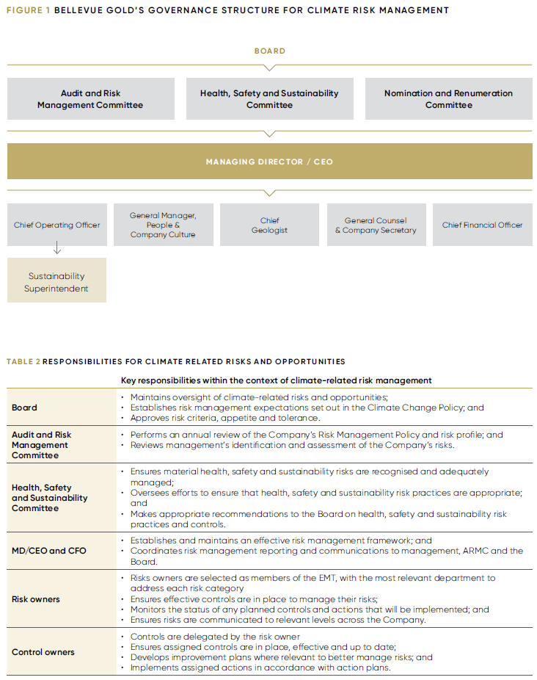

STRATEGY
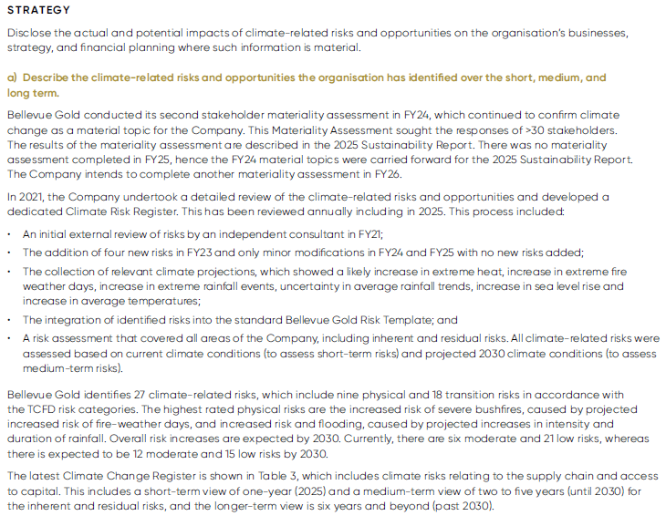

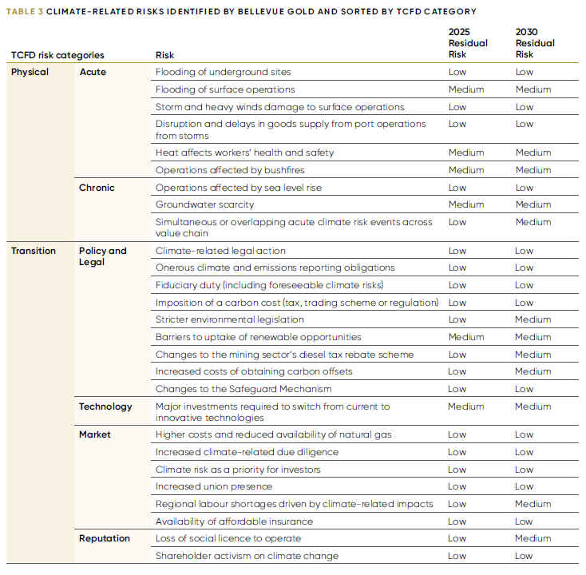

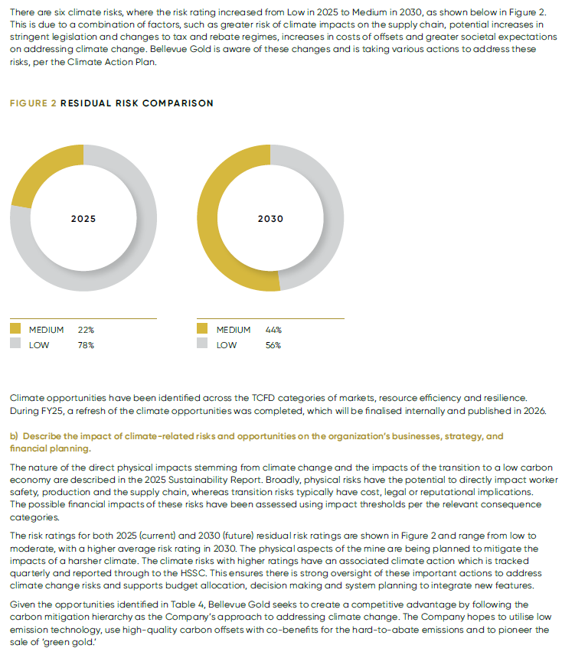

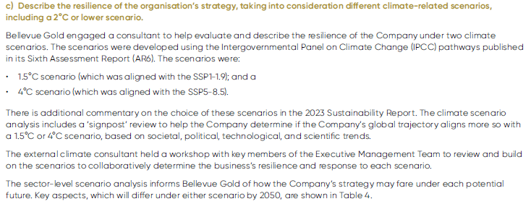

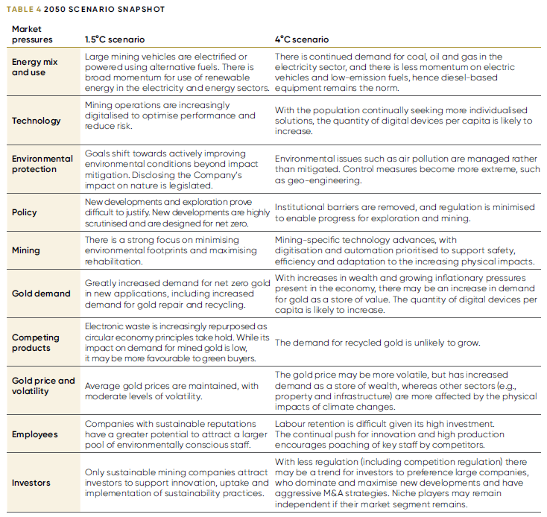

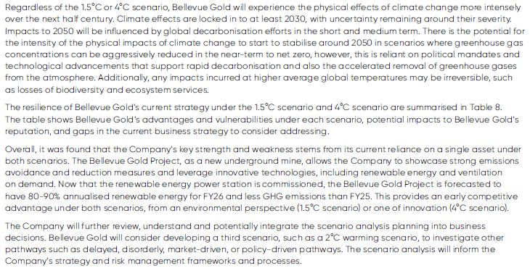

RISK MANAGEMENT
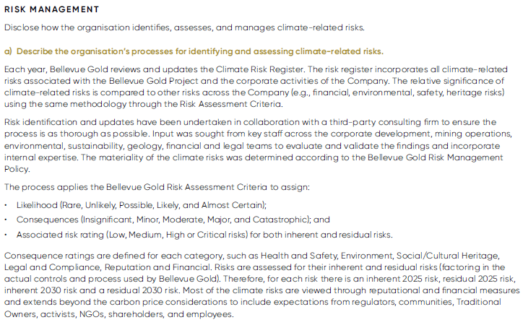

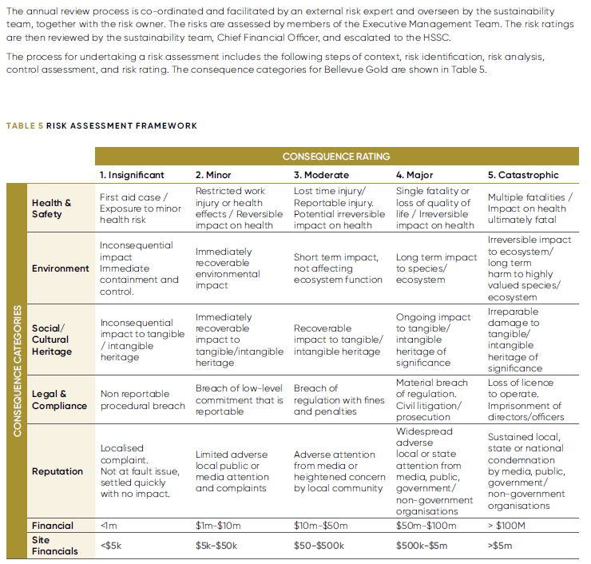

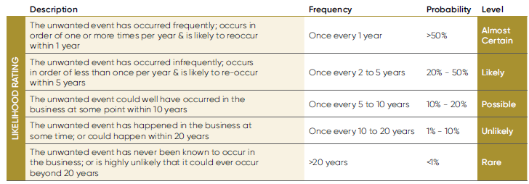

METRICS and TARGETS
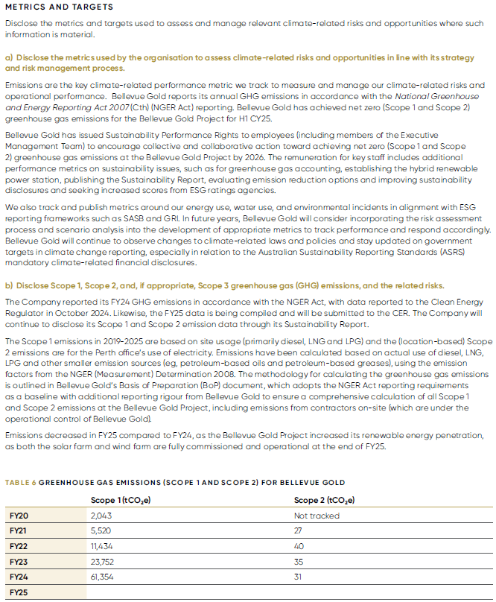

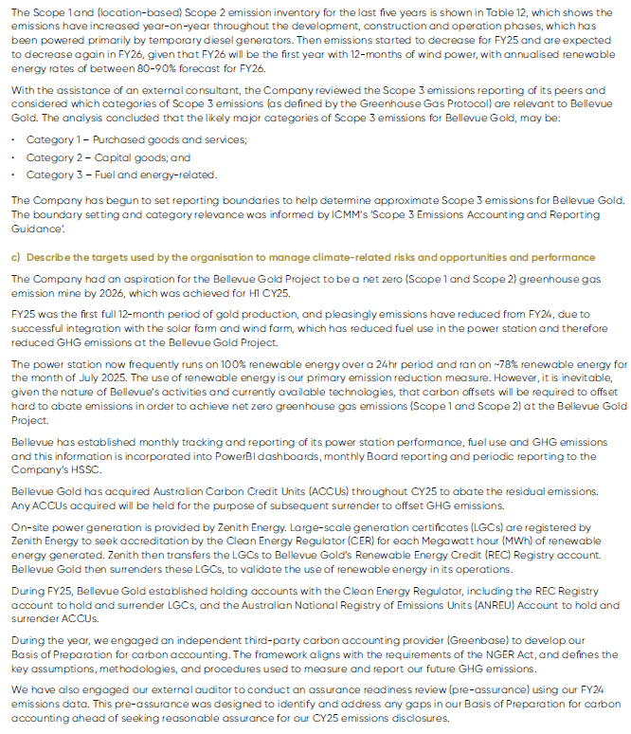

Air quality
X5A0T
Bellevue Gold
FY25 sustainability performance data

AIR QUALITY
 | SASB / GRI | FY25 | FY24 | FY23 | FY22 | FY21 | FY20
CO (tonnes) | EM-MM-120a.1. | TBD in September | 331.570 | 125.729 | N/A
NOx (tonnes) | EM-MM-120a.1. | TBD in September | 1,191.178 | 467.000 | N/A
SOx (tonnes) | EM-MM-120a.1. | TBD in September | 0.364 | 0.143 | N/A
PM10 (tonnes) | EM-MM-120a.1. | TBD in September | 1,179.202 | 572.185 | N/A
Hg (tonnes) | EM-MM-120a.1. | TBD in September | 0.0000813 | 0.0000085 | N/A
Pb (tonnes) | EM-MM-120a.1. | TBD in September | 0.079 | 0.0193 | N/A
Volatile organic compounds (tonnes) | EM-MM-120a.1. | TBD in September | 88.933 | 34.871 | N/A

Nature and biodiversity
X6A0T
Bellevue Gold
FY25 sustainability performance data

BIODIVERSITY - OVERVIEW
 | SASB / GRI | FY25 | FY24 | FY23 | FY22 | FY21 | FY20
Mines sites where acid rock drainage is
(1) predicted to occur (%) | EM-MM-160a.2. | 100% | 100% | 100% | 100%
(2) actively mitigated (%) | EM-MM-160a.2. | 100% | 100% | 100% | 100%
(3) under treatment or remediation (%) | EM-MM-160a.2. | N/A | N/A | N/A | N/A
Reserves in or near sites with protected conservation status or endangered species habitat
(1) proved reserves (%) | EM-MM-160a.3. | 0 | 0% | 0%
(2) probable reserves (%) | EM-MM-160a.3. | 0 | 0% | 0%

AREAS UNDER RESTORATION OR REHABILITATION
 | SASB / GRI | FY25 | FY24 | FY23 | FY22 | FY21 | FY20
Bellevue Gold Project
(1) area under restoration or rehabilitation (hectares) | GRI 14.4.3 | 43.9 | 48
(2) area restored or rehabilitated (hectares) | GRI 14.4.3 | 0 | 0

LOCATIONS WITH BIODIVERSITY IMPACTS
 | SASB / GRI | FY25 | FY24 | FY23 | FY22 | FY21 | FY20
Sites with the most significant impacts on biodiversity
(1) Bellevue Gold Project (hectares) | GRI 14.4.5 | 357.3 | 343
Distance from ecologically sensitive areas
(1) Bellevue Gold Project (kms) | GRI 14.4.5 | 25 | 25

DRIVERS OF BIODIVERSITY LOSS
 | SASB / GRI | FY25 | FY24 | FY23 | FY22 | FY21 | FY20
Bellevue Gold Project
(1) natural ecosystem converted since a cut-off or reference date |  | NA | NA
size (hectares) | GRI 14.4.7 | 0 | 0
cut-off date (date) | GRI 14.4.7 | 0 | 0
(2) land and sea converted from one intensively used or modified ecosystem to another during reporting period (hectares) | GRI 14.4.7 | NA | NA

Energy and decarbonisation
X7A0T
Bellevue Gold
FY25 sustainability performance data

EMISSIONS OVERVIEW
 | SASB / GRI | FY25 | FY24 | FY23 | FY22 | FY21 | FY20
Scope 1 (t CO2e) | EM-MM-110a.1. GRI 14.1.5 | TBD in September | 61,323 | 23,752 | 11,434 | 5,520 | 2,043
Scope 2 (t CO2e) | EM-MM-110a.1. | TBD in September | 31.5 | 35 | 40 | 27 | Not tracked

 | SASB / GRI | FY25 | FY24 | FY23 | FY22 | FY21 | FY20
Scope 1 emissions
(1) scope 1 CO2 non-biogenic emissions (t CO2e) | GRI 14.1.5 | TBD in September | 61,323
(2) scope 1 CO2 biogenic emissions (t CO2e) | GRI 14.1.5 | TBD in September | N/A
Location-based Scope 2 emissions
(1) Bellevue Gold Project (t CO2e) | GRI 14.1.6 | TBD in September | 0
(2) Perth office (t CO2e) | GRI 14.1.6 | TBD in September | 31.5
Scope 3 emissions
(1) scope 3 CO2 non-biogenic emissions (t CO2e) | GRI 14.1.7 | Not yet reported | Not yet reported
(2) scope 3 CO2 biogenic emissions (t CO2e) | GRI 14.1.7 | Not yet reported | Not yet reported

EMISSIONS INTENSITY
 | SASB / GRI | FY25 | FY24 | FY23 | FY22 | FY21 | FY20
Emissions intensity (t CO2e/oz) | GRI 14.1.8 | TBD in September | 0.53* | N/A | N/A | N/A | N/A

ENERGY CONSUMPTION
 | SASB / GRI | FY25 | FY24 | FY23 | FY22 | FY21 | FY20
Total energy consumed (GJ) | EM-MM-130a.1. | TBD in September | 942,007 | 341,672 | 163,089
Percentage grid electricity (%) | EM-MM-130a.1. | TBD in September | 0.023% | 0.07% | <1%
Percentage renewable (%) | EM-MM-130a.1. | TBD in September | 0.108% | <0.03% | Not reported

 | SASB / GRI | FY25 | FY24 | FY23 | FY22 | FY21 | FY20
Total fuel consumption within the organisation from non-renewable sources (GJ) | GRI 14.1.2 | TBD in September | 940,992
Total fuel consumption within the organisation from renewable sources (GJ) | GRI 14.1.2 | TBD in September | 1,015
Energy consumption
(1) electricity consumption (GJ) | GRI 14.1.2 | TBD in September | 942,007
(2) heating consumption (GJ) | GRI 14.1.2 | N/A | N/A
(3) cooling consumption (GJ) | GRI 14.1.2 | N/A | N/A
(4) steam consumption (GJ) | GRI 14.1.2 | N/A | N/A
Energy sold
(1) electricity sold (GJ) | GRI 14.1.2 | N/A | N/A
(2) heating sold (GJ) | GRI 14.1.2 | N/A | N/A
(3) cooling sold (GJ) | GRI 14.1.2 | N/A | N/A
(4) steam sold (GJ) | GRI 14.1.2 | N/A | N/A
Total energy consumed within the organisation (GJ) | GRI 14.1.2 | TBD in September | 942,007
Total energy consumed outside of organisation (GJ) | GRI 14.1.3 | N/A | 0

* Emissions intensity (t CO2e/oz) for 9-month of gold production

Tailings management
X8A0T
Bellevue Gold
FY25 sustainability performance data

TAILINGS STORAGE FACILITIES MANAGEMENT
EM-MM-540a.1. GRI 14.6.3
FACILITY NAME | LOCATION | OWNERSHIP STATUS | OPERATIONAL STATUS | CONSTRUCTION METHOD | MAXIMUM PERMITTED STORAGE CAPACITY | CURRENT AMOUNT OF TAILINGS STORED (m3) | FREQUENCY OF RISK ASSESSMENTS | RECENT RISK ASSESSMENT FINDINGS | CONSEQUENCE CLASSIFICATION | DATE OF MOST RECENT INDEPENDENT TECHNICAL REVIEW | MATERIAL FINDINGS | MITIGATION MEASURES | DATE OF NEXT INDEPENDENT TECHNICAL REVIEW | SITE-SPECIFIC EPRP
Vanguard In-Pit Tailings Storage Facility (IPTSF) - Stage 1 | 259549, 6942504 (Zone 51) | Bellevue Gold | Completed | In-Pit Storage Facility (no constructed embankments) | The design storage capacity of the IPTSF is 1,150,000 tonnes at an assumed density of 1.6 t/m3 | 984,350 | General risk assessment completed as part of TMP for commissioning and early operation of IPTSF. | N/A for operation of the IPTSF | Low | N/A | None | Implemented in TMP | Review will coincide with next stage of design | General ERP developed as part of TMP
Integrated Waste Landform Tailings Storage Facility (IWLTSF) – Stage 2 Intermediate Storage | 29525, 6942790 (Zone 51) | Bellevue Gold | Completed | Starter embankments | The design storage capacity of the IWLTSF Stage 2 at its intermediate storage is 760,000 tonnes at an assumed density of 1.4 t/m3 | 700,930 | General risk assessment completed as part of TMP for IWLTSF Stage 2 and Stage 3 | Excessive water storage, large pond, misalignment of pond, pond closer to embankment, piping-interal erosion. | Low | N/A | None | Implemented in TMP | Review will coincide with next stage of design | General ERP developed as part of TMP
Integrated Waste Landform Tailings Storage Facility (IWLTSF) – Stage 3 | 259625, 6942200 (Zone 51) | Bellevue Gold | Active | Starter embankments | The design storage capacity of the IWLTSF Stage 3 is 1,570,000 tonnes at an assumed density of 1.4 t/m3 | 59,407 | General risk assessment completed as part of TMP for IWLTSF Stage 2 and Stage 3 | Excessive water storage, overtopping, pond closer to embankment, piping-interal erosion, embankment instability due to excessive loading | High C | N/A | None | Implemented in TMP | Review will coincide with next stage of design | General ERP developed as part of TMP
Integrated Waste Landform Tailings Storage Facility (IWLTSF) – Stage 2 Remaining Storage | 29525, 6942790 (Zone 51) | Bellevue Gold | Inactive (Future) | Starter embankments | The design storage capacity of the IWLTSF Stage 2 remaining is 210,000 tonnes at an assumed density of 1.4 t/m3 | 0 | General risk assessment completed as part of TMP for IWLTSF Stage 2 and Stage 3 | Excessive water storage, overtopping, pond closer to embankment, piping-interal erosion, embankment instability due to excessive loading | High C | N/A | None | Implemented in TMP | Review will coincide with next stage of design | General ERP developed as part of TMP

Waste and hazardous materials
X9A0T
Bellevue Gold
FY25 sustainability performance data

WASTE GENERATED
 | SASB / GRI | FY25 | FY24 | FY23 | FY22 | FY21 | FY20
Total weight of non-mineral waste generated (tonnes) | EM-MM-150a.4. | 1,290 | 816 | 876
Total weight of tailings produced (tonnes) | EM-MM-150a.5. | 1,088,441 | 656,233 | -
Total weight of waste rock generated (tonnes) | EM-MM-150a.6. | 1,083,593 | 2,302,878 | 1,800,714
Total weight of hazardous waste generated (tonnes) | EM-MM-150a.7. | 583 | 842 | 690
Total weight of hazardous waste recycled (tonnes) | EM-MM-150a.8. | 47 | 64 | 45
Number of significant incidents associated with hazardous materials and waste management (number) | EM-MM-150a.9. | - | - | -

Water stewardship
X10A0T
Bellevue Gold
FY25 sustainability performance data

WATER OVERVIEW
 | SASB / GRI | FY25 | FY24 | FY23 | FY22 | FY21 | FY20
Total fresh water withdrawn (m3) | EM-MM-140a.1. | 71,383 | 100,185 | 20,605 | 468,940
Total fresh water consumed (m3) | EM-MM-140a.1. | 75,953 | 104,125 | 20,605 | 484,904
Percentage of each in regions with high or extremely high baseline water stress (%) | EM-MM-140a.1. | 100% | 100% | 0.00% | 0.00%
Incidents of non-compliance associated with water quality permits, standards and regulations (number) | EM-MM-140a.2. | 2 | 1 | 2 | 0

WATER CONSUMPTION
 | SASB / GRI | FY25 | FY24 | FY23 | FY22 | FY21 | FY20
Total water consumption (ML) | GRI 14.7.6 | 523.18 | 304.29
Total water consumption from all areas with water stress (ML) | GRI 14.7.6 | 523.18 | 304.29

WATER WITHDRAWAL
 | SASB / GRI | FY25 | FY24 | FY23 | FY22 | FY21 | FY20
Total water withdrawal (ML) | GRI 14.7.4 | 3,022 | 1,753 | 567.9
(1) surface water (ML) | GRI 14.7.4 | - | -
freshwater (ML) | GRI 14.7.4 | - | -
other water (ML) | GRI 14.7.4 | - | -
(2) groundwater (ML) | GRI 14.7.4 | 2,624 | 1,750 | 547.3
freshwater (ML) | GRI 14.7.4 | 71 | 100
other water (ML) | GRI 14.7.4 | 2,553 | 1,649
(3) seawater (ML) | GRI 14.7.4 | - | -
freshwater (ML) | GRI 14.7.4 | - | -
other water (ML) | GRI 14.7.4 | - | -
(4) produced water (ML) | GRI 14.7.4 | 393 | -
freshwater (ML) | GRI 14.7.4 | - | -
other water (ML) | GRI 14.7.4 | 393 | -
(5) third-party water (ML) | GRI 14.7.4 | 5 | 4
freshwater (ML) | GRI 14.7.4 | 5 | 4
other water (ML) | GRI 14.7.4 | - | -

Total water withdrawal from all areas with water stress (ML) | GRI 14.7.4 | 3,017 | 1,750
(1) surface water (ML) | GRI 14.7.4 | - | -
freshwater (ML) | GRI 14.7.4 | - | -
other water (ML) | GRI 14.7.4 | - | -
(2) groundwater (ML) | GRI 14.7.4 | 2,624 | 1,750
freshwater (ML) | GRI 14.7.4 | 71 | 100
other water (ML) | GRI 14.7.4 | 2,553 | 1,649
(3) seawater (ML) | GRI 14.7.4 | - | -
freshwater (ML) | GRI 14.7.4 | - | -
other water (ML) | GRI 14.7.4 | - | -
(4) produced water (ML) | GRI 14.7.4 | 393 | -
freshwater (ML) | GRI 14.7.4 | - | -
other water (ML) | GRI 14.7.4 | 393 | -
(5) third-party water (ML) | GRI 14.7.4 |  | -
freshwater (ML) | GRI 14.7.4 |  | -
other water (ML) | GRI 14.7.4 | - | -

WATER DISCHARGED
 | SASB / GRI | FY25 | FY24 | FY23 | FY22 | FY21 | FY20
Total water discharged | GRI 14.7.5 | 2,498 | 1,449
(1) surface water (ML) | GRI 14.7.5 | 38 | -
freshwater (ML) | GRI 14.7.5 | - | -
other water (ML) | GRI 14.7.5 | 38 | -
(2) groundwater (ML) | GRI 14.7.5 | 2,461 | 1,449
freshwater (ML) | GRI 14.7.5 | - | -
other water (ML) | GRI 14.7.5 | 2,461 | 1,449
(3) seawater (ML) | GRI 14.7.5 | - | -
freshwater (ML) | GRI 14.7.5 | - | -
other water (ML) | GRI 14.7.5 | - | -
(4) third-party water (ML) | GRI 14.7.5 | - | -
freshwater (ML) | GRI 14.7.5 | - | -
other water (ML) | GRI 14.7.5 | - | -

Total water discharged to all areas with water stress | GRI 14.7.5 | 2,498 | 1,449
...

Aboriginal cultural heritage
X11A0T
Bellevue Gold
FY25 sustainability performance data

INDIGENOUS PEOPLES
 | SASB / GRI | FY25 | FY24 | FY23 | FY22
Reserves in or near Indigenous land
(1) proved reserves (%) | EM-MM-210a.2. | 100% | 100% | 100% | 100%
(2) probable reserves (%) | EM-MM-210a.2. | 100% | 100% | 100% | 100%

INCIDENTS OF VIOLATION INVOLVING RIGHTS OF INDIGENOUS PEOPLES
...

Community relations
X12A0T
Bellevue Gold
FY25 sustainability performance data

COMMUNITY RELATIONS
 | SASB / GRI | FY25 | FY24 | FY23 | FY22
Non-technical delays (number) | EM-MM-210b.2. | 0 | 0 | 0 | 0
Duration of non-technical delays (days) | EM-MM-210b.2. | 0 | 0 | 0 | 0

 | SASB / GRI | FY25 | FY24 | FY23 | FY22
Operations with implemented local community engagement, impact assessments, and/or development programs (%) | GRI 14.10.2 | 100% | 100%
...

Health and safety
X13A0T
Bellevue Gold
FY25 sustainability performance data

KEY HEALTH AND SAFETY INDICATORS
 | SASB / GRI | FY25 | FY24 | FY23 | FY22
Number of fatalities (number) |  | 0 | 0 | 0 | 0
Lost Time Injury Frequency Rate (LTIFR) (number) |  | 0 | 0.60 | 1.18 | 0.00
Total Recordable Injury Frequency Rate (number) |  | 9.27 | 8.82 | 3.35 | 3.35
DMIRS reported injuries (including injury and illness) (number) |  | 11 | 11 | 3 | 2
High Potential Incidents (excluding injury and illness) (number) |  | 2 | 3 | 2 | 3
...

Diversity, equity and inclusion
X14A0T
Bellevue Gold
FY25 sustainability performance data

BOARD DIVERSITY
 | SASB / GRI | FY25 | FY24 | FY23 | FY22
By gender
(1) male (%) | GRI 14.21.5 | 66.6% | 66.7% | 66.7% | 60.0%
(2) female (%) | GRI 14.21.5 | 33.3% | 33.3% | 33.3% | 40.0%
By age
(1) under 30 years old (%) | GRI 14.21.5 | 0.0% | 0.0%
...

Employment profile
X15A0T
Bellevue Gold
FY25 sustainability performance data

EMPLOYMENT PROFILE
 | SASB / GRI | FY25 | FY24 | FY23 | FY22
Total employees (number) | GRI 2.7 | 232 | 210 | 136 | 70
(1) male (number) | GRI 2.7 | 159 | 137
(2) female (number) | GRI 2.7 | 73 | 73
Total employees by employment contract
(1) permanent (number) | GRI 2.7 | 201 | 175 |  | 64
...

Talent attraction and retention
X16A0T
Bellevue Gold
FY25 sustainability performance data

LABOUR RELATIONS
 | SASB / GRI | FY25 | FY24 | FY23 | FY22
Active workforce covered under collective bargaining agreements (%) | EM-MM-310a.1. | 0 | 0 | 0% | 0%
Strikes and lockouts
(1) number (number) | EM-MM-310a.2. | 0 | 0 | 0 | 0
(2) duration (days) | EM-MM-310a.2. | 0 | 0 | 0.00 | 0.00
Minimum notice provided to employees and their representatives prior to the implementation of significant operational changes that could substantially affect them (weeks) | GRI 14.17.6 | 4 | 4
...

Ethics, risk and compliance
X17A0T
Bellevue Gold
FY25 sustainability performance data

COMPLIANCE
 | SASB / GRI | FY25 | FY24 | FY23 | FY22
Total number of significant instances of non-compliance with laws and regulations (number) | GRI 2.27
(1) instances for which fines were incurred (number) | GRI 2.27 | 0 | 0
(2) instances for which non-monetary sanctions were incurred (number) | GRI 2.27 | 0 | 0

Fines for instances of non-compliance with laws and regulations that were paid during the reporting period (number) | GRI 2.27
...

